Supporting Table
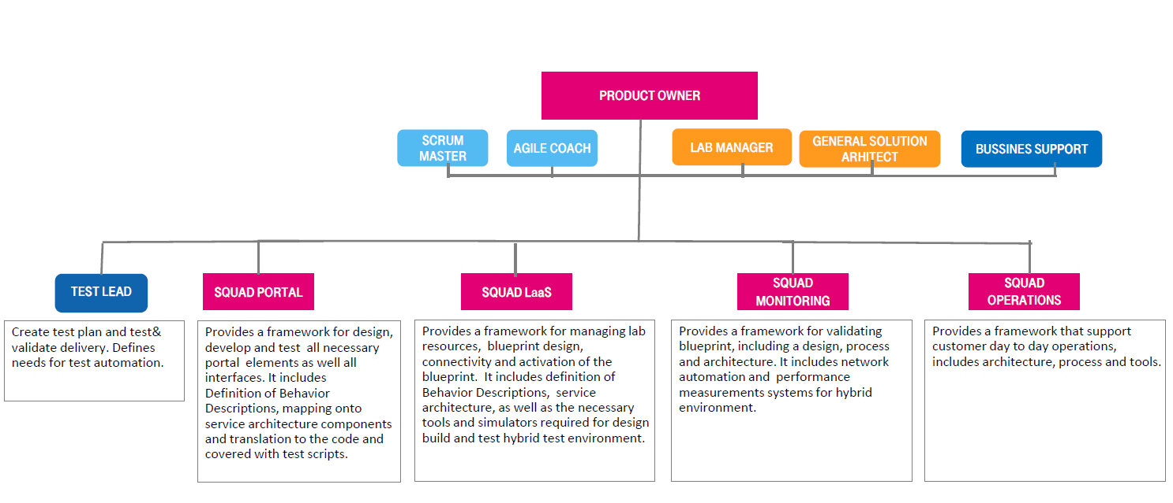

Portal
LaaS
Monitoring
Operations
Network
Integration
Process
Inventory
Documentation
Security
Testing

